CUSTOM SHOP
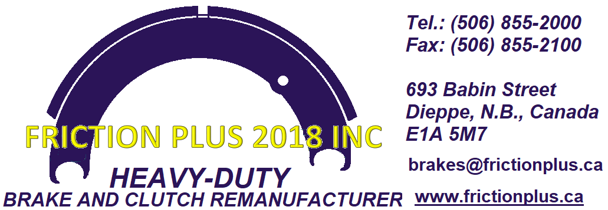
 |  | WE CUT TO SUIT
 |  | LINING SQUARE INCH CALCULATOR | ENTER SHADED AREA
 |  | LENGTH (INCHES)
 |  | WIDTH (INCHES)
 |  | TOTAL SQUARE INCHES | 0.00
 |  | LIST PRICE(FROM BELOW)
 |  | TOTAL | 0.00
 |  | DISCOUNT*
 |  | NET $ FOR MATERIALS | 0.00
 |  | LABOUR*
 |  | TOTAL | 0.00
 |  | * CALL 506-855-2000 FOR DISCOUNT & LABOUR
 |  | TAXES & FREIGHT EXTRA

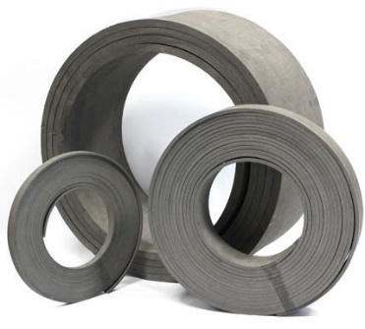
PART # | DESCRIPTION | PART DETAILS | UNIT | LIST PRICE
1/8MOULD | 1/8" FLEXIBLE MOULDED FRICTION LINING | NM 1/8 X 6" X 25 FT | SQ INCH | $1.45
5/32MOULD | 5/32" FLEXIBLE MOULDED FRICTION LINING | NM 5/32 X 6" X 25 FT | SQ INCH | $1.71
3/16MOULD | 3/16" FLEXIBLE MOULDED FRICTION LINING | NM 3/16" X 6" X 25 FT | SQ INCH | $1.81
1/4MOULD | 1/4" FLEXIBLE MOULDED FRICTION LINING | NM 1/4 X 6" X 25 FT | SQ INCH | $2.40
3/8MOULD | 3/8" FLEXIBLE MOULDED FRICTION LINING | NM 5/16" X 6" X 16 FT | SQ INCH | $2.61
5/16MOULD | 5/16" FLEXIBLE MOULDED FRICTION LINING | NM 3/8 X 6" X 16 FT | SQ INCH | $3.14
1/2MOULD | 1/2" FLEXIBLE MOULDED FRICTION LINING | NM 1/2 X 6" X 16 FT | SQ INCH | $4.19

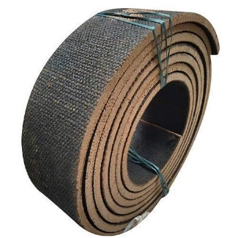
1/8WOVEN | 1/8" FLEXIBLE WOVEN FRICTION LINING | NW 1/8 X 13" X 25 FT | SQ INCH | $5.42
5/32WOVEN | 5/32" FLEXIBLE WOVEN FRICTION LINING | NW 5/32 X 13" X 25 FT | SQ INCH | $2.08
3/16WOVEN | 3/16" FLEXIBLE WOVEN FRICTION LINING | NW 3/16" X 13" X 25 FT | SQ INCH | $2.25
1/4WOVEN | 1/4" FLEXIBLE WOVEN FRICTION LINING | NW 1/4 X 13" X 25 FT | SQ INCH | $3.21
5/16WOVEN | 5/16" FLEXIBLE WOVEN FRICTION LINING | NW 5/16" X 13" X 25 FT | SQ INCH | $3.33
3/8WOVEN | 3/8" FLEXIBLE WOVEN FRICTION LINING | NW 3/8 X 13" X 25 FT | SQ INCH | $3.74
1/2WOVEN | 1/2" FLEXIBLE WOVEN FRICTION LINING | NW 1/2 X 13" X 25 FT | SQ INCH | $4.05

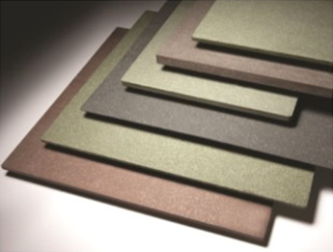
1/8FLAT | 1/8" FLAT MOULDED FRICTION LINING | 1/8 X 15-3/4" X 15-3/4" | SQ INCH | $1.68
5/32FLAT | 5/32" FLAT MOULDED FRICTION LINING | 5/32 X 15-3/4" X 15-3/4" | SQ INCH | $1.82
3/16FLAT | 3/16" FLAT MOULDED FRICTION LINING | 3/16" X 22" X 22" | SQ INCH | $1.08
1/4FLAT | 1/4" FLAT MOULDED FRICTION LINING | 1/4 X 22" X 22" | SQ INCH | $1.16
5/16FLAT | 5/16" FLAT MOULDED FRICTION LINING | 5/16" X 22" X 22" | SQ INCH | $1.23
3/8FLAT | 3/8" FLAT MOULDED FRICTION LINING | 3/8 X 22" X 22" | SQ INCH | $1.31
1/2FLAT | 1/2" FLAT MOULDED FRICTION LINING | 1/2 X 22" X 22" | SQ INCH | $2.03

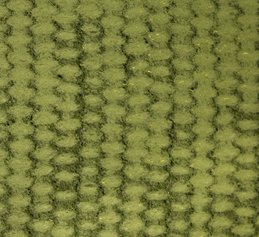
1/8GREEN | 1/8" FLEXIBLE GREEN GRIPPER FRICTION LINING | GG-1/8 X 13" X 25 FT | SQ INCH | $7.43
5/32GREEN | 5/32" FLEXIBLE GREEN GRIPPER FRICTION LINING | GG-5/32 X 13" X 25 FT | SQ INCH | $8.36
3/16GREEN | 3/16" FLEXIBLE GREEN GRIPPER FRICTION LINING | GG-3/16" X 13" X 25 FT | SQ INCH | $8.36
1/4GREEN | 1/4" FLEXIBLE GREEN GRIPPER FRICTION LINING | GG-¼ X 13" X 25 FT | SQ INCH | $10.09
5/16GREEN | 5/16" FLEXIBLE GREEN GRIPPER FRICTION LINING | GG-5/16" X 13" X 25 FT | SQ INCH | $12.34
3/8GREEN | 3/8" FLEXIBLE GREEN GRIPPER FRICTION LINING | GG-3/8 X 13" X 25 FT | SQ INCH | $14.83
1/2GREEN | 1/2" FLEXIBLE GREEN GRIPPER FRICTION LINING | GG-½ X 13" X 25 FT | SQ INCH | $19.71

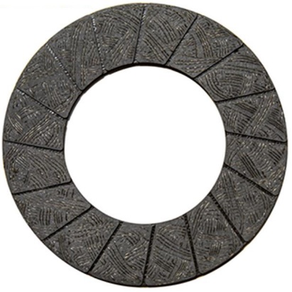
227PCLUTCH | 227P CLUTCH FACING | 227P | EA | $-
528PCLUTCH | 528P CLUTCH FACING | 528P | EA | $233.60
529PCLUTCH | 529P CLUTCH FACING | RVG 529P | EA | $132.40
656DCLUTCH | 656D DRILLED CLUTCH FACING | RVG 656 | EA | $166.80
642DCLUTCH | 642D DRILLED CLUTCH FACING | RFX 642 | EA | $81.20
642PCLUTCH | 642P CLUTCH FACING | RFX 642P | EA | $81.20
656PCLUTCH | 656P CLUTCH FACING | RVG 656P | EA | $166.80
762DCLUTCH | 762 DRILLED CLUTCH FACING | RFX 762A | EA | $112.00
736PCLUTCH | 736P CLUTCH FACING | RVG 736P | EA | $132.80
749PCLUTCH | 749P CLUTCH FACING | RVG 749P | EA | $135.60
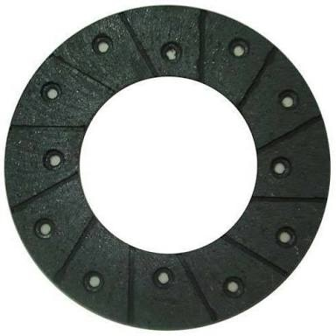
750PCLUTCH | 750P CLUTCH FACING | RFX 750P | EA | $84.40
764PCLUTCH | 764P CLUTCH FACING | RFX 764P | EA | $84.00
762PCLUTCH | 762P CLUTCH FACING | RFX 762P | EA | $112.00
772PCLUTCH | 772P CLUTCH FACING | RVG 772P | EA | $115.20
785PCLUTCH | 785P CLUTCH FACING | RFX 785P | EA | $91.20
881PCLUTCH | 881P CLUTCH FACING | RVG 881P | EA | $238.00
884PCLUTCH | 884P CLUTCH FACING | RFX 884P | EA | $80.00
9021THIN | 9021 THIN(425835) CLUTCH FACING | RFX 9021 | EA | $89.60
9021THICK | 9021 THICK .188 CLUTCH FACING | RFX 9021 / 187 | EA | $-
1056PCLUTCH | 1056P CLUTCH FACING | RFX 1056P | EA | $128.00
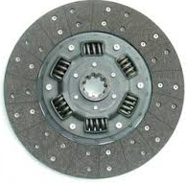
1166PCLUTCH | 1166P CLUTCH FACING | RFX 1166P | EA | $139.20
1185PCLUTCH | 1185P CLUTCH FACING | RFX 1185P | EA | $152.00
1248PCLUTCH | 1248P CLUTCH FACING | RFX 1248P | EA | $183.20
1365PCLUTCH | 1365P CLUTCH FACING | RFX 1365P | EA | $256.80
1367PCLUTCH | 1367P CLUTCH FACING | RFX 1367P | EA | $272.80
8909PCLUTCH | 8909P CLUTCH FACING | 8909P | EA | $278.40
1270PCLUTCH | 1270P CLUTCH FACING | RFX 1270P | EA | $212.00
1517PCLUTCH | 1517P CLUTCH FACING | RVG 1517P | EA | $607.20
1628PCLUTCH | 1628P CLUTCH FACING | RVG 1628P | EA | $714.40

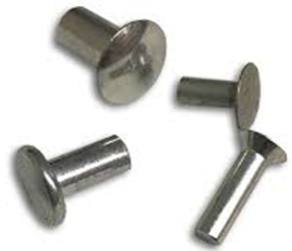
R4-4 | R4-4 STEEL PLATED RIVETS | R4-4 | EA | $0.09
R3-3 | R3-3 STEEL PLATED RIVETS | R3-3 | EA | $0.05
R7-5 | R7-5 STEEL PLATED RIVETS | R7-5 | EA | $0.13
R7-6 | R7-6 STEEL PLATED RIVETS | R7-6 | EA | $0.14
R10-16 | R10-16 STEEL PLATED RIVETS | R10-16 | EA | $0.53
R10-17 | R10-17 STEEL PLATED RIVETS | R10-17 | EA | $0.57
R10-18 | R10-18 STEEL PLATED RIVETS | R10-18 | EA | $0.64
R10-20 | R10-18 STEEL PLATED RIVETS | R10-20 | EA | $0.77
R10-8.5S | R10-8.5S STEEL PLATED RIVETS | R10-8-1/2 | EA | $0.25
R10-9S | R10-9S STEEL PLATED RIVETS | R10-9 | EA | $0.25
R10-10S | R10-10S STEEL PLATED RIVETS | R10-10 | EA | $0.29

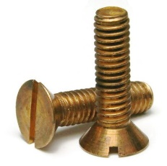
BB141P | STEEL BRASS PLATED BRAKE LINING BOLT 1/4IN X 1IN | BB 1/4 X 1 | EA | $1.75
BB3161P | STEEL BRASS PLATED BRAKE LINING BOLT 3/16IN X 1IN | BB 3/16 X 1 | EA | $1.30
BB381P | STEEL BRASS PLATED BRAKE LINING BOLT 3/8IN X 1IN | BB 3/8 X 1 | EA | $3.07
BB38114P | STEEL BRASS PLATED BRAKE LINING BOLT 3/8IN X 1-1/4IN | BB 3/8 X 1-1/4 | EA | $3.32
BB3812P | STEEL BRASS PLATED BRAKE LINING BOLTS 3/8 X 1-1/2IN | BB 3/8 X 1-1/2 | EA | $3.57

